Legend
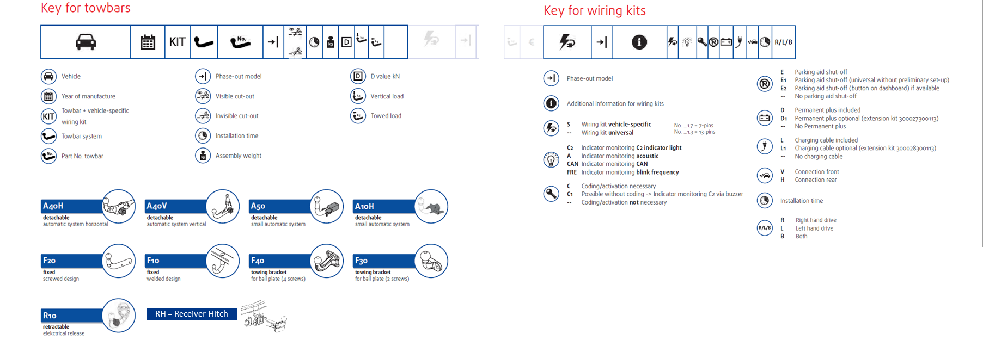

Um den optimalen Sitz des | Um den optimalen Sitz desStoßfängers zu gewährleisten,empfehlen wir die Montage zweierSchaumträger 7H0 807 252 A,erhältlich beim VW-HändlerKastenwagen (ohne hintereSeitenfenster) 10/09-: Um denoptimalen Sitz des Stoßfängerszu gewährleisten, empfehlen wirdie Montage von:1 x Kunststoffleiste 7H0 807 7238 x Tülle 357 853 586 B8 x Clip 701 867 299
Stoßfängers zu gewährleisten,
empfehlen wir die Montage zweier
Schaumträger 7H0 807 252 A,
erhältlich beim VW-Händler
Kastenwagen (ohne hintere
Seitenfenster) 10/09-: Um den
optimalen Sitz des Stoßfängers
zu gewährleisten, empfehlen wir
die Montage von:
1 x Kunststoffleiste 7H0 807 723
8 x Tülle 357 853 586 B
8 x Clip 701 867 299

